Модель 1
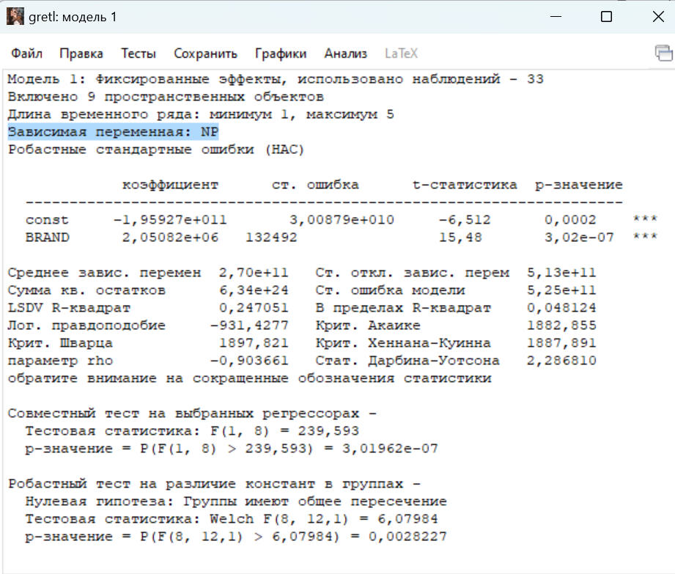
NN | FIRM_ID | YEAR | COMPANY | CAP | BRAND | IntAs | NP | DIV
1 | 1 | 2017 | Sber | 5050380689600 | 569,467
2 | 1 | 2018 | Sber | 4187828412400 | 670,405
3 | 1 | 2019 | Sber | 5727575003000 | 842,159
4 | 1 | 2020 | Sber | 6092941602800 | 840,196
5 | 1 | 2021 | Sber | 6614553368520 | 730,594
6 | 2 | 2017 | Gazprom | 3089393433450 | 305,315 | 20,095,198,000 | 100,297,977,000 | 186,827,990,000
7 | 2 | 2018 | Gazprom | 3633884230150 | 320,844 | 19,329,708,000 | 933,136,526,000 | 186,870,622,000
8 | 2 | 2019 | Gazprom | 6069888707560 | 552,269 | 17,102,648,000 | 651,124,114,000 | 385,809,136,000
9 | 2 | 2020 | Gazprom | 5035119458701 | 481,279 | 14,744,114,000 | -706,925,987,000 | 355,542,806,000
10 | 2 | 2021 | Gazprom | 8105574081831 | 495,960 | 13,318,662,000 | 2,684,456,626,000 | 292,854,172,000
11 | 3 | 2017 | Lukoil | 2836203173798 | 283,943 | 383,585,000 | 204,363,706,000 | 165,729,617,000
12 | 3 | 2018 | Lukoil | 4250264585235 | 281,063 | 815,992,000 | 219,484,106,000 | 182,736,614,000
13 | 3 | 2019 | Lukoil | 5247124720095 | 397,260 | 1,722,130,000 | 405,759,769,000 | 187,355,522,000
14 | 3 | 2020 | Lukoil | 4395710901840 | 370,862 | 2,364,910,000 | 197,559,111,000 | 411,243,659,000
15 | 3 | 2021 | Lukoil | 5590752275115 | 423,402 | 3,080,747,000 | 635,708,387,000 | 357,567,746,000
16 | 4 | 2017 | Rosneft | 2650368721000 | 180,066 | 23,468,759,000 | 138,968,980,000 | 100,875,076,000
17 | 4 | 2018 | Rosneft | 3932365255000 | 203,869 | 44,599,532,000 | 460,784,009,000 | 218,156,115,000
18 | 4 | 2019 | Rosneft | 4088750647800 | 246,918 | 44,331,957,000 | 396,526,209,000
19 | 4 | 2020 | Rosneft | 3956914124800 | 245,300 | 42,463,967,000 | 155,811,166,000
20 | 4 | 2021 | Rosneft | 5446212226000 | 272,833 | 31,443,734,000 | 602,930,206,000
21 | 5 | 2017 | Magnit | 646117990700 | 152,976 |  | 37,559,017,000 | 29,234,340,000
22 | 5 | 2018 | Magnit | 357861723083 | 145,182 |  | 30,998,450,000 | 13,808,734,000
23 | 5 | 2019 | Magnit | 349046390875 | 170,388 |  | 40,501,229,000 | 30,997,285,000
24 | 5 | 2020 | Magnit | 577684515818 | 172,681 |  | 28,127,553,000 | 30,999,592,000
25 | 5 | 2021 | Magnit | 554805416620 | 169,102 |  | 57,079,156,000 | 49,998,194,000
26 | 6 | 2017 | VTB Bank | 648027066867 | 106,375
27 | 6 | 2018 | VTB Bank | 438714324269 | 117,557
28 | 6 | 2019 | VTB Bank | 594888847384 | 144,889
29 | 6 | 2020 | VTB Bank | 488612408418 | 177,927
30 | 6 | 2021 | VTB Bank | 624633289753 | 175,056
31 | 7 | 2017 | MTS | 568639477166 | 93,110 | 11,674,000,000 | 127,250,000,000 | 52,039,000,000
32 | 7 | 2018 | MTS | 475614814850 | 114,532 | 13,421,000,000 | 9,160,000,000 | 51,954,000,000
33 | 7 | 2019 | MTS | 639382184921 | 121,503 | 15,283,208,000 | 64,611,997,000 | 57,273,109,000
34 | 7 | 2020 | MTS | 660764867774 | 147,962 | 19,090,789,000 | 57,026,200,000 | 84,453,622,000
35 | 7 | 2021 | MTS | 597316252768 | 141,508 | 19,762,415,000 | 59,708,833,000 | 73,680,969,000
36 | 8 | 2017 | Tatneft | 1096997709660 | 89,556.00 | 882,443,000 | 100,022,216,000 | 111,140,726,000
37 | 8 | 2018 | Tatneft | 1684655304530 | 97,303.00 | 1,519,494,000 | 197,522,814,000 | 104,086,883,000
38 | 8 | 2019 | Tatneft | 1800460305690 | 132,494 | 1,854,480,000 | 156,046,046,000 | 219,947,050,000
39 | 8 | 2020 | Tatneft | 1185991914040 | 130,203 | 2,058,180,000 | 81,665,115,000 | 79,875,565,000
40 | 8 | 2021 | Tatneft | 1161969665200 |  | 5,142,742,000 | 142,659,528,000 | 66,715,927,000
41 | 9 | 2017 | Yandex | 618092259380 |  | 1,188,753,000 | 19,014,612,000 | 9,397,887,000
42 | 9 | 2018 | Yandex | 629840581100 |  | 1,057,059,000 | 28,241,320,000 | 33,858,838,000
43 | 9 | 2019 | Yandex | 880145102190 |  | 1,576,205,000 | 26,516,120,000 | 6,712,949,000
44 | 9 | 2020 | Yandex | 1682881817936 |  | 1,619,252,000 | 33,654,299,000
45 | 9 | 2021 | Yandex | 1491188368538 | 164,048 | 2,439,605,000 | 12,495,188,000
46 | 10 | 2017 | Novatek | 2057704576200 |  | 2,688,000 | 120,532,304,000 | 41,313,961,000
47 | 10 | 2018 | Novatek | 3437098392000 |  | 399,739,000 | 159,184,828,000 | 50,832,440,000
48 | 10 | 2019 | Novatek | 3831818172000 | 119,976 | 368,101,000 | 237,224,510,000 | 93,519,289,000
49 | 10 | 2020 | Novatek | 3823316515200 | 135,581 | 405,643,000 | 376,580,279,000 | 89,857,243,000
50 | 10 | 2021 | Novatek | 5220624536400 |  | 441,963,000 | 318,322,706,000 | 154,332,427,000
51 | 11 | 2017 | Aeroflot | 153764826597 |  | 69,825,000 | 28,443,453,000 | 19,090,466,000
52 | 11 | 2018 | Aeroflot | 107533952534 |  | 40,946,000 | 2,796,104,000 | 14,110,415,000
53 | 11 | 2019 | Aeroflot | 109999645061 |  | 543,413,000 | 5,286,800,000 | 2,841,410,000
54 | 11 | 2020 | Aeroflot | 172084327414 |  | 486,263,000 | -96,527,133,000 | 6,000,000
55 | 11 | 2021 | Aeroflot | 141789816292 |  | 443,944,000 | -45,639,139,000 | 23,773,048,000
56 | 12 | 2017 | Surgutneftegas | 1215519842108 | 134,742 | 572,897,000 | 149,736,588,000 | 31,530,243,000
57 | 12 | 2018 | Surgutneftegas | 1265429397750 |  | 443,364,000 | 827,641,293,000
58 | 12 | 2019 | Surgutneftegas | 2097769405232 |  | 420,364,000 | 105,478,643,000
59 | 12 | 2020 | Surgutneftegas | 1608102515974 |  | 384,515,000 | 729,578,490,000
60 | 12 | 2021 | Surgutneftegas | 1719155051457

